Bai1
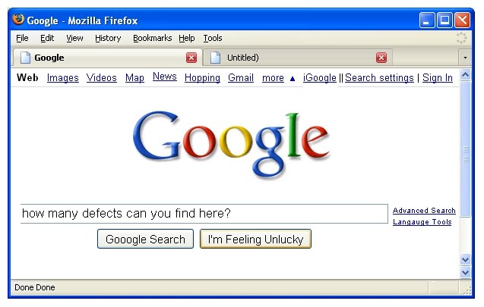

 | Try to catch all of things that you think they are the bugs/errors or they should be adjusted for correctness

BUG_ID | BUG_OVERVIEW | BUG_DETAIL | EXPECTED RESULT | NOTE/ REFERRENCES

Bai2
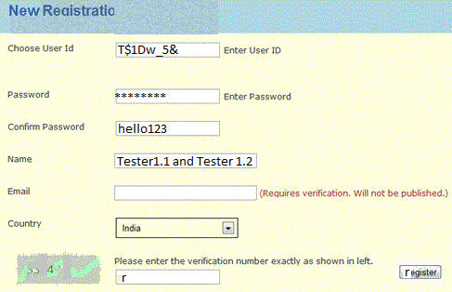

 | Try to catch all of things that you think they are the bugs/errors or they should be adjusted for correctness

BUG_ID | BUG_OVERVIEW | BUG_DETAIL | EXPECTED RESULT | NOTE/ REFERRENCES

Sheet2
